Tab 1
Design choices

Power supply
PSU under box | Power brick | AC/DC on mainhub
Pro: many different PSU's can be used (as long as output is 24V DC) | Pro: for 3 tower grid might be perfect | Pro: all in one tower
Pro: certified already | Pro: certified already | Pro: finetune efficency to a high degree (will add significant amount of time to designing the AC/DC)
Pro: use AC adapter on backside, standard connector | Pro: use AC adapter on backside, standard connector
 | Pro: less heat development, no fan needed

Con: for 3 tower grid, might not be fittable | Con: limited power | Con: size for up to 850W AC/DC might need 2 or even 3 tower spots, rendering the 3 tower grid useless
Con: is costly, even bought in bulk | Con: needs to be adapted to main tower connector | Con: supply of used components in design
Con: supply | Con: supply | Con: needs to be certified
Con: some heat development, might need a small fan |  | Con: extreme heat development, because and AC/DC and DC switching implemented, multiple fans possibly needed

Size needed: | Size needed: | Size needed (350W):
Length: 130 - 300 mm | 250 - 300W power bricks are sizable, but would fit beneath the grid.
Width: 115 - 245 mm |  | Estimated area needed: 150 cm2
Height: 45 mm
Estimated area needed: 275 - 375 cm2 |  | Size needed (850W):
Estimated volume needed: 1150 - 1550 cm3 |  | Normal PC power supply 850W: 15 x 15 x 10 cm
 |  | Estimated area needed: 225 cm2
 |  | 1 Space tower = 1 sidepanel: ~60 cm2 , max height: 45 mm , max surface: 180 cm2 , but height will be limited, so more realistic is 90 - 120 cm2
 |  | 2 Space tower = 1 sidepanel: ~60 cm2 , 1 backpanel: ~120 cm2 , max height: 85 mm , max surface: 240 cm2 , but height of components might obstruct on other panels, so more realistic is 120 - 160 cm2
 |  | 3 Space tower = 1 sidepanel: ~60 cm2 , 1 backpanel: ~180 cm2 , max height: 125 mm , max surface: 300 cm2 , but height of components might obstruct on other panels, so more realistic is 150 - 200 cm2
 |  | Size needed (2050W):

 |  | Estimated area needed: >450 cm2

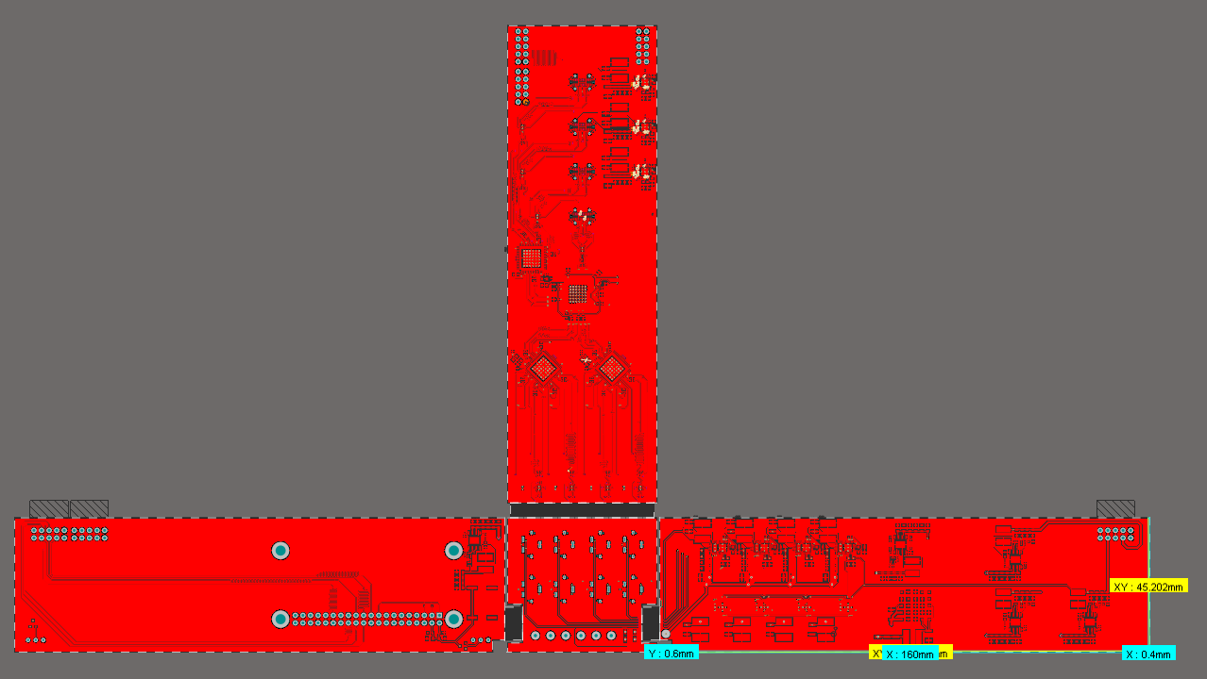
VPS800-1S24
LWH = 127x216x41 mm
800W
$300
Lead time 40 weeks
https://octopart.com/search?q=VPS800-1S24&currency=USD&specs=0

VPS1000-1024
LWH = 127x241x41 mm
1000W
$295-$355 ($295 from 91 pieces and more)
Lead time 40 weeks
https://octopart.com/search?q=VPS1000-1024&currency=USD&specs=0

UHP-1000-24
LWH = 240x115x41 mm
1000W
$284-$314 ($284 from 25 pieces and more)
96 in stock on Digi-key
https://octopart.com/search?q=UHP-1000-24&currency=USD&specs=0

RSP-1000-24
LWH = 295x127x41 mm
1000W
$225-$270 ($225 from 20 pieces and more)
2108 on order at factory
https://octopart.com/search?q=RSP-1000-24&currency=USD&specs=0

